1. Title Page
Instacart Grocery Basket Analysis

Project Name: Instacart Grocery Basket Analysis
Date: 29 March 2023
Analyst Name: Bruce Hickling

 | Contents:
2 | Population Flow
3 | Consistency checks
4 | Wrangling steps
5 | Column derivations
6 | Visualizations
7 | Recommendations

 | Data Citations

 | “The Instacart Online Grocery Shopping Dataset 2017”, Accessed from:
 | https://www.instacart.com/datasets/grocery-shopping-2017
 | on February 4, 2023

 | Note:
A | The 'prices' column in the datasets were artificially created for educational purposes by CareerFoundry Gmbh
B | The customer dataset ('customers.csv') was artificially created for educational purposes by CareerFoundry Gmbh and accessed from:
 | CareerFoundry Gmbh and were accessed from:
 | https://s3.amazonaws.com/coach-courses-us/public/courses/data-immersion/A4/A4_Data_Assets/customers.zip
 | on February 4, 2023
C | The data dictionary dataset ('departments.csv) used to create the department dictionary was accessed from:
 | https//:gist.github.com/jeremystan/c3b39d947d9b88b3ccff3147dbcf6c6b
 | on February 4, 2023

2. Population Flow
Title page

Population flow

Exclusion flag
Condition: max_order < 5
Obervations to be removed: 1440295
Final total count of order_products_all: 30964564

Orders_products_combined
Orders_products_merged
Orders_products_all

Total: 32404859
Total: 32434489
Total: 32404859

1.) The grey boxes in the first row of the population flow represent the original data sets as they were when you downloaded them. In the Total fields you need to add the count of the rows when you imported the data set into Jupyter.
2.) The second row of boxes (coloured) represents the data sets after you manipulated them, e.g., removed missing values and duplicates. In the Total fields you need to add the count of the rows after conducting these operations. This offers a visual oveview of how the data flows throughout the data consistency checks.
3.) The third row, where also the arrows are coloured, represents the merges you performed between the datasets. In the Total fields you need to add the count of the rows in the merged datasets, so that you end up with the final dataset (in the red box). Keep in mind the final dataset should be without exclusions (based on the exclusion flag).

3. Consistency checks
 |  |  |  |  | Title page
Consistency checks

Dataset | Missing values | Missing values treatment | Other consistency checks | Duplicates
orders | 206209 missing values for 'days_since_prior_order' | Impute using the mean of 'days_since_prior_order |  | None
products | 16 missing values for 'product_name' | Entries with missing value were excluded from the dataframe |  | 5
orders_products_prior | None | None |  | None
orders_products_customers |  | None | Assume error in two highest product prices that were extreme outliers. All products with price >100 were overwritten as missing | None
customers | None | None |  | None

4. Wrangling steps
 |  |  |  | Title page
Wrangling steps

Columns dropped | Columns renamed | Columns' type changed | Comment/Reason
'eval_set' |  |  | Information npt required for the analysis
 | 'orders_dow' to 'orders_day_of_week' |  | Ease of understanding
 | order_hour_of_day' to 'time_of_day_order_made' |  | Ease of understanding; changed back to original column name for final analysis
'_merge' |  |  | Not required for the analysis
 |  | 'user_id' | Change to string
'First Name' |  |  | Removed to protetct PII
'Surnam' |  |  | Removed to protetct PII
 | 'Gender' to 'gender' |  | Coding etiquette - naming conventions
 | 'STATE' to 'state' |  | Coding etiquette - naming conventions
 | 'AGE' to 'age' |  | Coding etiquette - naming conventions
 | 'n_dependents' to 'family_dependants' |  | Ease of understanding
 | 'fam_status' to 'family_status' |  | Ease of understanding
 |  | 'product_id' | Change to int32 for memory issues
 |  | 'aisle_id' | Change to int8 for memory issues
 |  | 'department_id' | Change to int8 for memory issues
 |  | 'prices' | Change to float16 for memory issues
 |  | 'order_id' | Change to int32 for memory issues
 |  | 'order_number' | Change to int8 for memory issues
 |  | 'orders_day_of_week' | Change to int8 for memory issues
 |  | 'order_hour_of_day' | Change to int8 for memory issues
 |  | 'days_since_prior_order' | Change to float16 for memory issues
 |  | 'reordered' | Change to int8 for memory issues
 |  | 'max_order' | Change to int8 for memory issues
 |  | 'age' | Change to int8 for memory issues
 |  | 'family_dependants' | Change to int8 for memory issues
 |  | 'income' | Change to int32 for memory issues
 |  | 'add_to_cart_order' | Change to int8 for memory issues
 |  | 'average_order' | Change to float32 for memory issues
'median_order_frequency' |  |  | Not required for the analysis
'gender' |  |  | Not required for the analysis
 | 'price_range_loc' to ' price_range' |  | Correcting a typo

5. Column derivations
 |  |  |  | Title page

Column derivations and aggregations

In this tab you should add tables below that the frequences of flags/label variables that you produced after deriving them. NB: don't do this for continuous variables, only for flags.
Dataset | New column | Column/s it was derived from | Conditions
orders_products_merged.pkl | 'price_range' | 'prices' | If 'prices' <= 5, then 'Low-range product'; if prices']> 5 and <= 15), then 'Mid-range product'; if 'prices'] > 15, then 'High-range product'
orders_products_merged.pkl | 'busiest_day' | 'orders_day_of_week' | If day 0 (Saturday), then its the 'busiest day'; if day 4 (Wednesday), then its the 'Least busy' day; and for any other day it is a 'Regularly busy' day
orders_products_merged.pkl | 'busiest_days' | orders_day_of_week' | If day 0 (Saturday) or 1 (Sunday), then is a 'busiest days'; if day 3 (Tuesday) or 4 (Wednesday), then it is a 'Slowest days'; and for any other day it is a 'Regular days'
orders_products_merged.pkl | 'busiest_period_of_day' | order_hour_of_day' | If orders are placed between 0800 and 1700hrs, it is the time of day when the 'Most orders' are placed; if between 0000 and 0500hrs, it is the time of day when the "Fewest orders' are made; for orders made at any other time of day, it is the time of day when 'Average orders' are made
orders_products_merged.pkl (subset) | 'max_order' | user_id', 'order_number' | Aggregation of 'order_number' sum using the transform function and grouped by 'user_id'
orders_products_merged.pkl (subset) | 'loyalty_flag' | 'max_order' | If 'max_order" > 40, then 'Loyal customer'; if 'max_order <=40 & > 10, then 'Regular customer'; if 'max_order' <= 10, then 'New customer'
orders_products_merged_derived.pkl | 'max_order' | user_id', 'order_number' | Aggregation of 'order_number' max using transform function and grouped by 'user_id'
orders_products_merged_derived.pkl | 'loyalty_flag' | 'max_order' | If 'max_order" > 40, then 'Loyal customer'; if 'max_order <=40 & > 10, then 'Regular customer'; if 'max_order' <= 10, then 'New customer'
orders_products_merged_derived.pkl | 'average_order' | 'user_id', 'prices' | Aggregation of 'prices' mean using the transform function and grouped by 'user_id'
orders_products_merged_derived.pkl | 'spending_flag' | average_order' | If 'average_order' >=10, then 'High Spender'; if 'average_order' < 10, then 'Low spender'
orders_products_merged_derived.pkl | 'median_order_frequency' | 'user_id', 'days_since_prior_order' | Aggregation of 'days_since_prior_order' median using transform function and grouped by 'user_id'
orders_products_merged_derived.pkl | 'order_frequency' | 'median_order_frequency' | If 'median_order_frequency'] > 20, then 'Not-frequent customer', if ''median_order_frequency'] ,<=20 & >10, then 'Regular customer'; if 'median_order_frequency'] <=10, then 'Frequent customer'
orders_products_customers.pkl | 'region' | 'state' | Use wikipedia reference to group states into 'Northeast', 'Midwest', 'South', or 'West'
 | 'customer_activity' | 'max_order' | If 'max_order" <5, then 'Low activity''; if 'max_order >=5 , then 'Regular activity'
 | 'age_group' | 'age' | If 'age' >= 18) & <= 33, then 'Youth'; if >33 & < 65), then 'Middleage'; if if >= 65, then 'Retired'
 | 'income_group' | 'income' | If 'income' <=55000, then 'Low income'; if >55000 & <125000, then 'Middle income'; if >=125000, then 'High income'
 | 'family_size' | 'family_dependents' | If 'family_dependants' <=1, then 'Small'; if 'family_dependants' =2, then ' Medium', if 'family_dependants' >2, then 'Large'
 | 'family_unit' | 'family_dependants', 'family_status' | If 'family_status' = 'single & 'family_dependants' = 0, then 'Single, no kids'; if 'family_status' = 'single' & 'family_dependants' >= 1, then 'Single with kids'; if 'family_status' = 'married' & 'family_dependants' =1, then 'Married, no kids'; If 'family_status' = 'married' & 'family_dependants' >=1, then 'Married with kids'; if 'family_status' = 'living with parents and siblings', then = 'Mixed family'
 | 'weekend_order' | 'orders_day_of_week' | If 'orders_day_of_week'= 0(Sat) or = 1(Sun) or = 6(Fri), then 'Weekend'; if 'orders_day_of_week' = 2(Mon) or = 3(Tues) or = 4(Weds) or = 5(Thurs), then 'Weekday'
 | 'order_times | 'order_hour_of_day' | If 'order_hour_of_day'] <= 7, then 'Early morning'; if > 7 & < 12, then 'Morning'; if >= 12 & < 18, then 'Afternoon'; if >= 18 & <= 23, then 'Evening'
 | 'vegetarian' | 'department_id', df_departments['departments'] | If 'department' = 11, then 'non-veg', otherwise 'vegetarian'
 | 'alcohol' | 'department_id', df_departments['departments'] | If 'department' = 4, then 'Drinker', otherwise 'Teetotal'
 | 'pets' | 'department_id', df_departments['departments'] | If 'department' = 17, then 'Have Pet', otherwise 'No Pet'
 | 'department' | department_id', department_map | 'department_id' mapped to department_map
 | product_dales'

6. Visualizations
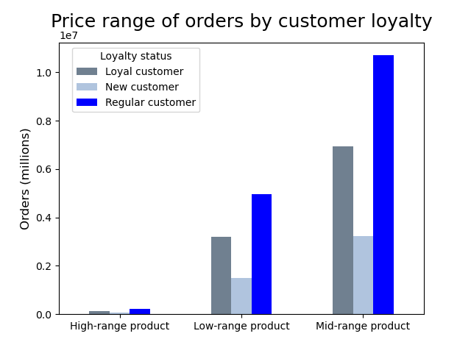



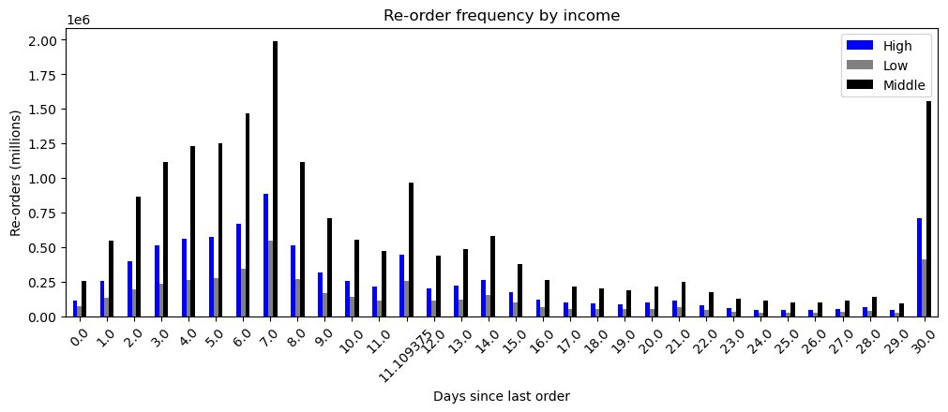
 |  |  |  |  |  |  |  |  |  | Title page

Visualisations

In this tab you should include all the visualtions from Exercises 4.9 and 4.10, alongside the questions from the project brief that they answer. Include any commentary on the relationship between different variables.

Questions (from BRD)

1. What are the busiest days of the week and hours of the day for orders?
bar_daily_orders_by_region.png
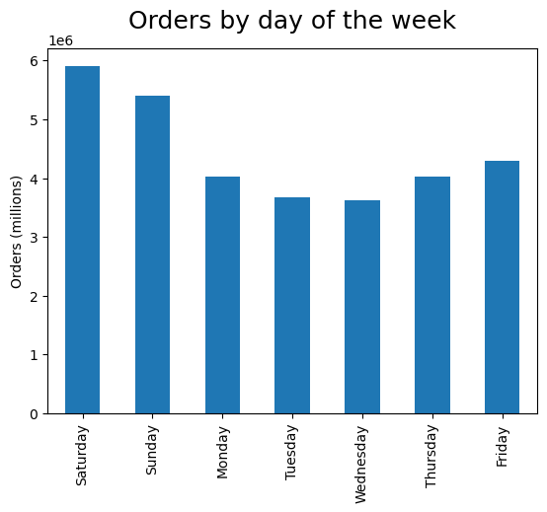
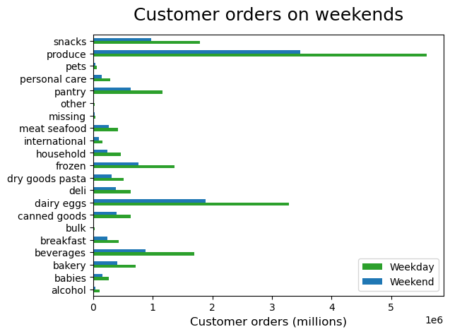
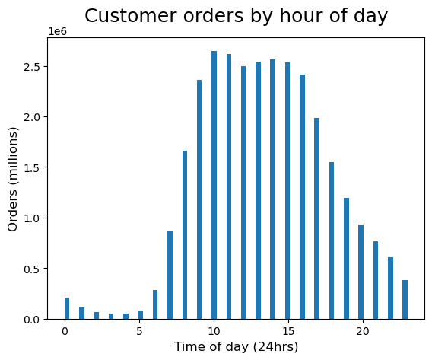

2. Are there particular times of the day when people spend the most money?
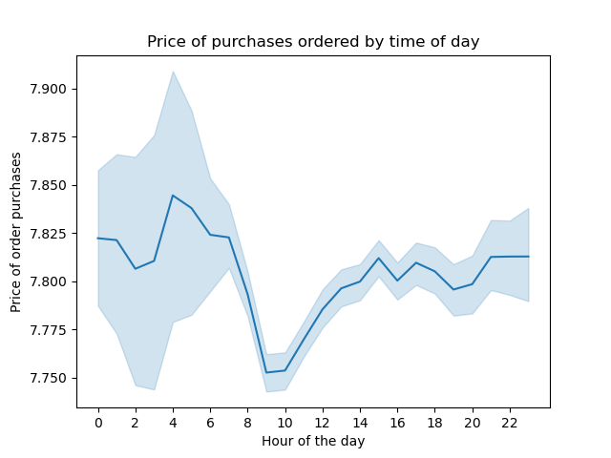
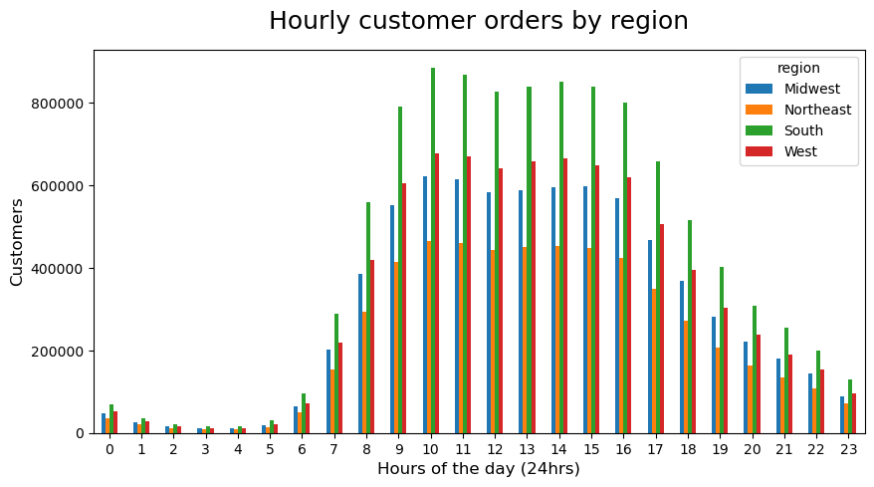
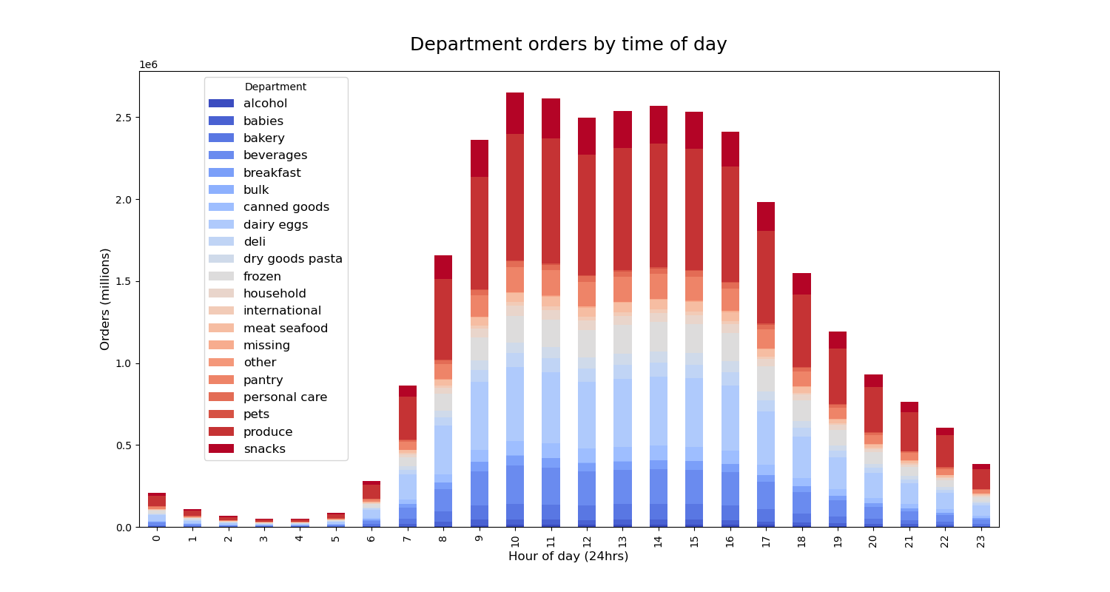

3. Marketing and sales want to use simpler price range groupings to help direct their efforts.

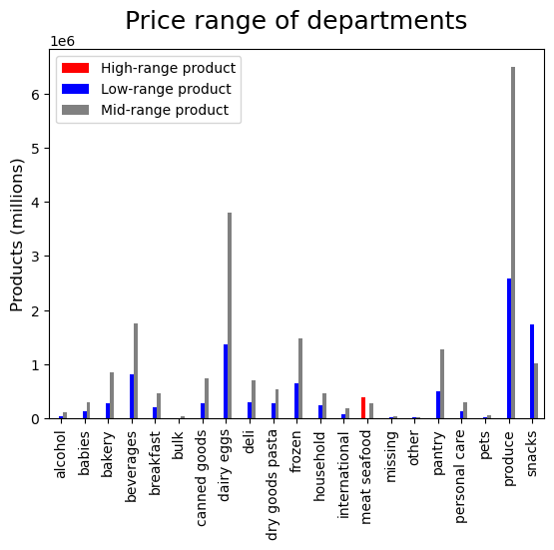
bar_price_range_department, crosstab_price_department, crosstab_price_range_region
 |  |  | Price Range |  |  |  | Price Range
 |  | Department | High-range | Low-range | Mid-range | Region | High-range | Low-range | Mid-range
Price Range Flag |  | alcohol | 0 | 33046 | 111581 | Midwest | 93280 | 2267085 | 4901148
<$5 -> Low |  | babies | 0 | 121484 | 288908 | Northeast | 69732 | 1712360 | 3682593
>$10 and <=$40 -> Mid |  | bakery | 0 | 274986 | 845842 | South | 132661 | 3217500 | 6960978
>$40 -> High |  | beverages | 0 | 814697 | 1757204 | West | 102280 | 2477895 | 5347052
 |  | breakfast | 0 | 209185 | 461665
 |  | bulk | 0 | 1181 | 32270
 |  | canned goods | 0 | 281711 | 730363
 |  | dairy eggs | 4877 | 1370908 | 3801397
 |  | deli | 0 | 299220 | 704614
 |  | dry goods pasta | 0 | 284346 | 537790
 |  | frozen | 0 | 647617 | 1474114
 |  | household | 0 | 245070 | 454787
 |  | international | 0 | 73203 | 182788
 |  | meat seafood | 392855 | 0 | 281926
 |  | missing | 0 | 18516 | 46252
 |  | other | 0 | 15259 | 19152
 |  | pantry | 221 | 504521 | 1277963
 |  | personal care | 0 | 123874 | 300432
 |  | pets | 0 | 28165 | 64895
 |  | produce | 0 | 2585708 | 6493565
 |  | snacks | 0 | 1742143 | 1024263

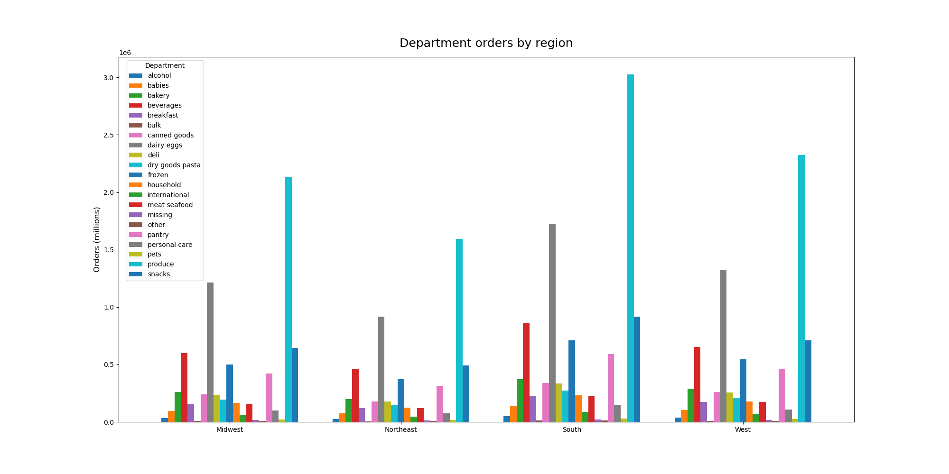
4. Are there certain types of products that are more popular than others? The marketing and sales teams want to know which departments have the highest frequency of product orders.
 | bar_orders_by_department, bar_all_departments_by_region
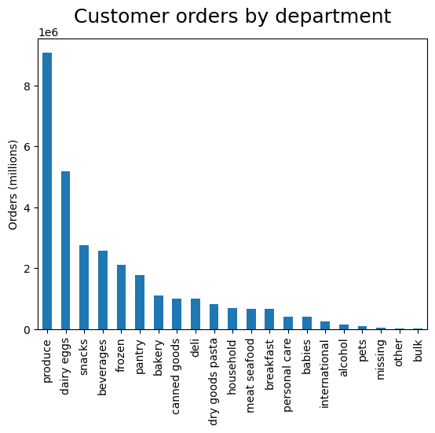

5. The marketing and sales teams are particularly interested in the different types of customers in their system and how their ordering behaviors differ:

 | 5a. What’s the distribution among users in regards to their brand loyalty (i.e., how often do they return to Instacart)?
 | bar_loyalty.png, bar_region_spending.png, bar_reorder_loyalty.png


 | 5b. Are there differences in ordering habits based on a customer’s loyalty status?


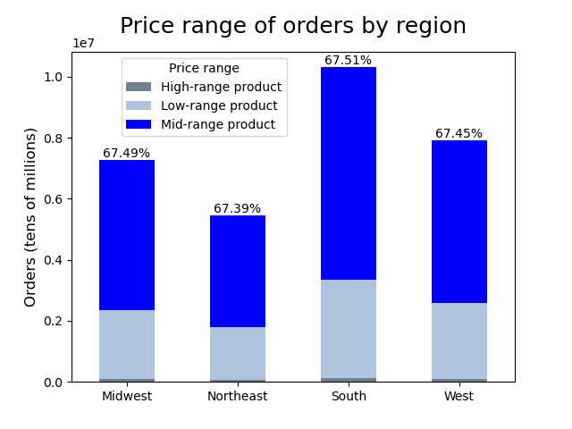
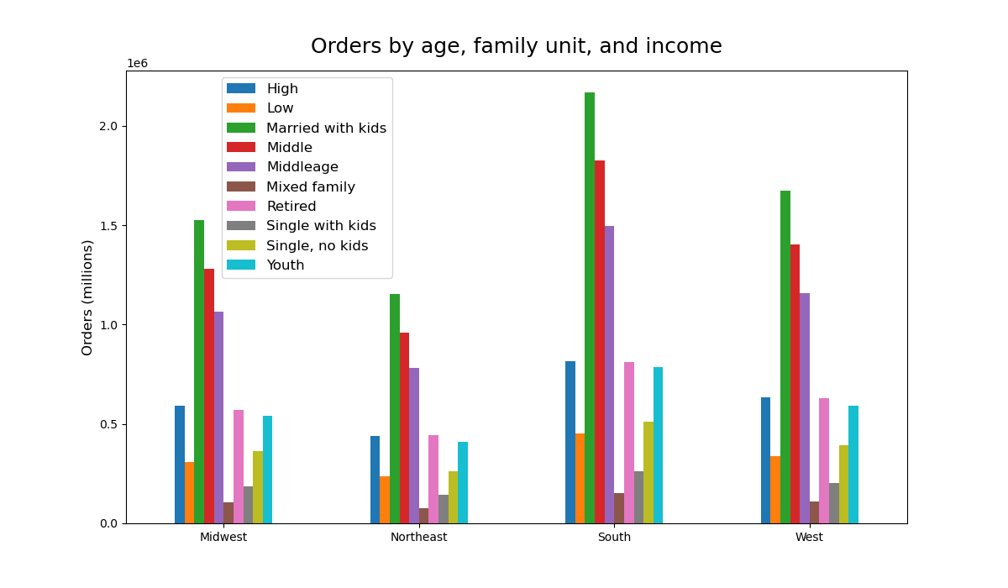
 | 5c. Are there differences in ordering habits based on a customer’s region?
 | bar_price_range_region.png



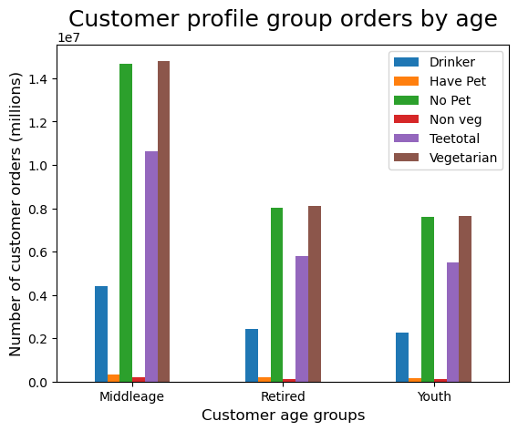
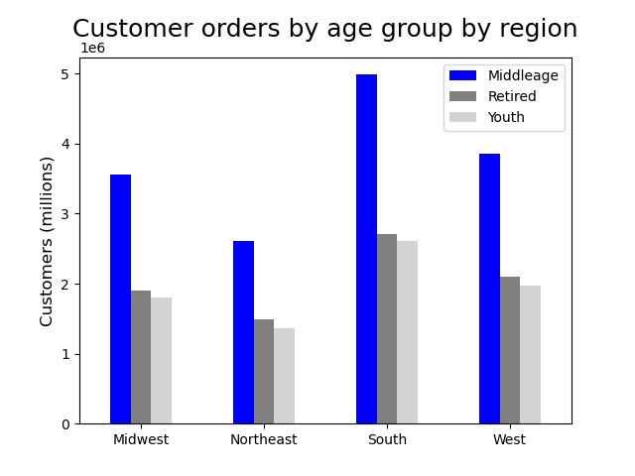
 | 5d. Is there a connection between age and family status in terms of ordering habits?
 | bar_reoder_family.png, bar_reorder_income.png, bar_income_spending.png, bar_age_by_region.png
 | bar_regions_profiles

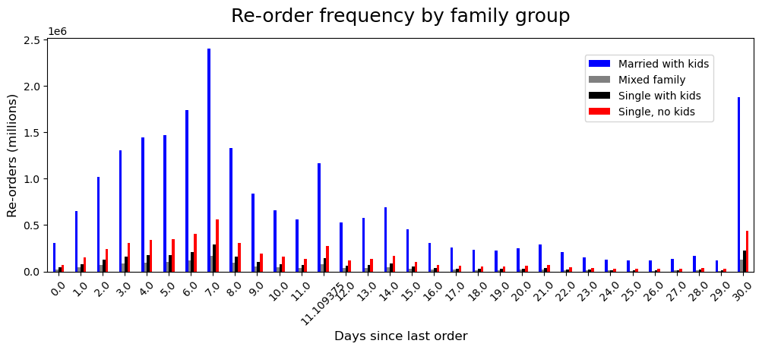

 | 5e. What different classifications does the demographic information suggest? Age? Income? Certain types of goods? Family status?

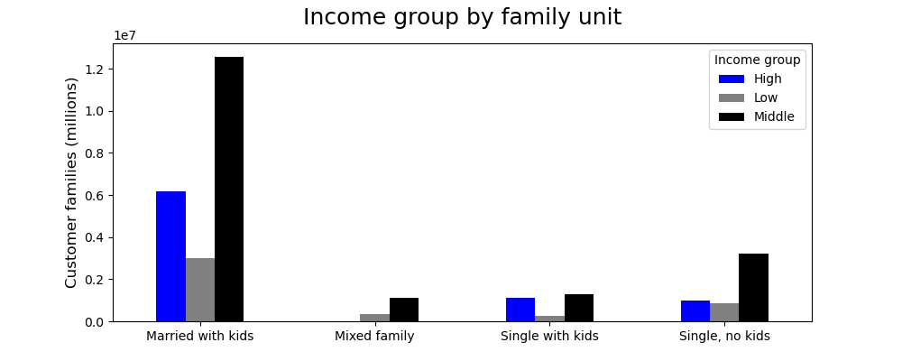


 | 6. What differences can you find in ordering habits of different customer profiles? Consider the price of orders, the frequency of orders, the products customers are ordering, etc.
 | bar_price_by_income_norm

7. Recommendations
 |  |  | Title page

Recommendations

In this tab you should include any recommendations you would made to Instcart in terms of their marketing strategy based on the questions posed in the brief. Every key question has been covered in the Tasks of the Exercises - here you need to add an item - a visualisation or table/crosstable that is showing the answer in the data, acompanied by a comment from you. Please, list the questions below and add the answer underneath.

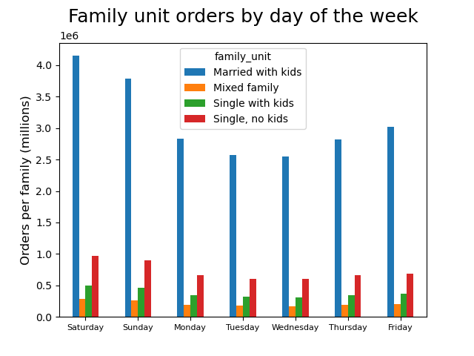
Question |  | Answer
Key Question 1
 | What are the busiest days of the week and hours of the day for orders? | The majority of orders are made on the weekend. During the day most orders are made during working hours (9am-16pm). Adds targeting low-order periods should focus on increasing orders in the morning (before people go to work) or in the evening when they return from work. The middle of the week have the lowest number of orders, so marketing targeting buying ahead to save people time on the weekend should be considered

Key Question 2
 | Are there particular times of the day when people spend the most money? | There is not a great deal of variance in the price range of products that are ordered during the day, however the average price of products being ordered is slightly higher in the early morning hours or in the late/ afternoon evening, during the times when overall orders are lowest - so marketing could target increasing these purchases when orders are more active by consider specialized pricing (some kind of offer for afternoon ordering to encourage increased purchases of higher priced products). The low price range items, such as from produce are ordered more during the higest ordering period between 9am and 4pm

Key Question 3
 | Are there certain types of products that are more popular than others? The marketing and sales teams want to know which departments have the highest frequency of product orders. | Products from the produce department are ordered the most, followed by dairy/ eggs, snacks, beverages, and frozen

 |  | Alcohol, pets, and bulk products are among the 5 lowest ordered departments. If marketing wants to target any of the least popular departments to increase orders, the biggest customer group are families with two married adults and at least one child. This family group has the most number of pets and so could be a target to increase the sale of pet products

Key Question 4
 | What’s the distribution among users in regards to their brand loyalty (i.e., how often do they return to Instacart)? | Customer loyalty is very evenly distributed between the four US regions. Regular customers (>10 and <=40 orders) make up the largest group at around 50% of all customers. Loyal customers (>40 orders) are the second largest group and New customers (<=10 orders) are the smallest group. The recommendation is to provide incentives (special offers) targeting customer with 5-10 orders to push them into the Regular customer category (and maybe with special introductory offers to custers making their 1st to 3rd purchase). Other marketing elements such as loyalty cards should be introduced or expanded.

 | Are there differences in ordering habits based on a customer’s loyalty status? | Customers with more loyalty shop more frequenty but also more regularlly, with what appears to be weekly and monthly shopping habits. More offers on weekly shops could increase this behavior with midweek sale items to benefit more regular shoppers and increase mid-week orders

Key Question 5
 | Are there differences in ordering habits based on a customer’s region? | From this analysis there does not appear to be any significant difference in ordering habits or customer behavior between regions.
 |  | The only realy difference of note is that there are more customers in the South region and as it mirrors the demography of customers across all regions, this means that there are more familes consisting of married adults with children who also sit in the middle and high income groups

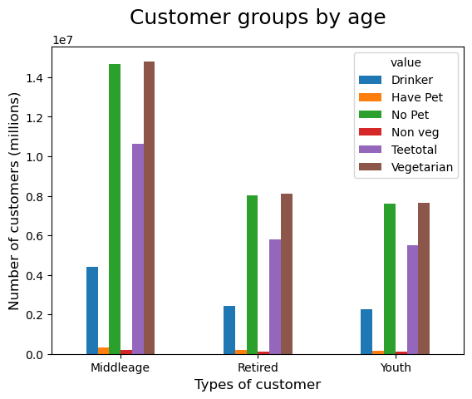
Key Question 6
 | Is there a connection between age and family status in terms of ordering habits? | There is not an observed significant link with age and customer order habits. There is one observed with families in that the peak of orders every 7 days is stronger than for the other family groups suggesting a more regular weekly shopping scheduled that could be targeted with marketing. At the same time marketing at single parents or single adults could also target increasing shopping in mid-week, when orders are lower, leveraging ideas like 'using time while kids are in school' or 'saving time for your weekend', etc.


Key Question 7
 | What different classifications does the demographic information suggest? Age? Income? Certain types of goods? Family status? | The analysis found family unit and income as customer classifications with stronger links to different customer behaviour than age. There was no observed link with regional location driving different customer behaviour. Income groups and family units should form the bases for targeting marketing, following some of the behaviours noted below

 | What differences can you find in ordering habits of different customer profiles? Consider the price of orders, the frequency of orders, the products customers are ordering, etc. | Customers with low-income order more Low price range prodcuts than the other income groups. Family units consisting of two married adults and children are the largest customer group for orders, a majority of which sit in the Middle- and High- income groups and are the most loyal with the highest frequency of orders and regular shopping habits (weekly, etc.).
 |  | Customers from the 'High income' group don't appear to purchase significantly more high price range products than those in 'Middle income'. Are there reasons that items from the high price range are not purchased as often (meat and seafood, for example, which have the most expensive items). Encouraging more purchases from High income customers presents an area for customer growth and a deeper analysis as to why they don't purchase more (is there a preference to buy meat and seafood products directly rather than through Instcart - can a campaign on the freshness and quality of these products and how they are delivered overcome this and encourage more purchases, for example). Also looking at when orders are made - if 'High income customers are too busy in the week are there messages to encourage ordering at times when they aren't busy and influencing their behavior to increase orders, etc.

